HNGJUN27IF

HDFC Nifty G-Sec Jun 2027 Index Fund (An open ended target maturity scheme replicating/tracking Nifty G- Sec Jun 2027 Index. A Relatively High Interest Rate Risk and Relatively Low Credit Risk) |  |  |  |  |  |  |  |  |  | Income | Hybrid
Portfolio as on 31-May-2024

 | ISIN | Coupon (%) | Name Of the Instrument | Industry+ /Rating | Quantity | Market/ Fair Value (Rs. in Lacs.) | % to NAV | Yield | ~YTC (AT1/Tier 2 bonds)
 | DEBT INSTRUMENTS
 | (a) Listed / awaiting listing on Stock Exchanges
 | Government Securities (Central/State)
| | IN0020220037 | 7.38 | 7.38% GOI MAT 200627 | Sovereign | 56,132,100 | 56,625.50 | 76.46 | 7.1771
| | IN0020170026 | 6.79 | 6.79% GOI MAT 150527^ | Sovereign | 14,843,500 | 14,740.89 | 19.90 | 7.1757
| | IN0020060078 | 8.24 | 8.24% GOI MAT 150227^ | Sovereign | 500,000 | 514.20 | 0.69 | 7.1862
| | IN0020210186 | 5.74 | 5.74% GOI MAT 151126 | Sovereign | 144,500 | 140.51 | 0.19 | 7.1018
 | Sub Total |  |  |  |  | 72,021.10 | 97.24
 | Total |  |  |  |  | 72,021.10 | 97.24
 | MONEY MARKET INSTRUMENTS
 | TREPS - Tri-party Repo
 |  |  | TREPS - Tri-party Repo |  |  | 147.40 | 0.20 | 6.6781
 | Sub Total |  |  |  |  | 147.40 | 0.20
 | Total |  |  |  |  | 147.40 | 0.20
 | OTHERS
 | Net Current Assets
 |  |  | Net Current Assets |  |  | 1,889.31 | 2.56
 | Sub Total |  |  |  |  | 1,889.31 | 2.56
 | Total |  |  |  |  | 1,889.31 | 2.56

 | Grand Total |  |  |  |  | 74,057.81 | 100.00
| | Top Seven Holdings
 | + Industry Classification as recommended by AMFI
 | £ - Sponsor Company
 | ** Thinly Traded/ Non-Traded Securities (Equity) as on May 31, 2024
 | ^ Non-Traded Securities (Debt) as on May 31, 2024
 | # Non Sensex Scrips
 | @ Less than 0.01%.
 | ~ YTC i.e. Yield to Call is disclosed at security level only for Additional Tier 1 Bonds and Tier 2 Bonds issued by Banks as per AMFI Best Practices Notification 135/BP/91/2020-21 read with SEBI circular SEBI/HO/IMD/DF4/CIR/P/2021/034

 | Portfolio Classification by Industry(%)
 | G-Sec |  | 97.24
 | Cash, Cash Equivalents and Net Current Assets |  | 2.76

 | Exposure to top four sectors(%)
 | - |  | 97.24

 | Exposure to top seven groups(%)
 | Central Government of India |  | 97.24

 | Notes :
 | 1) NAV History
 | NAVs per unit (Rs.) | May 31, 2024 | April 30, 2024
 | Growth Option | 11.0781 | 10.9766
 | Growth Option - Direct Plan | 11.1031 | 11.0001

 | Dividend History - Dividend declared during the month ended May 31, 2024 : Nil

 | Bonus History - Bonus declared during the month ended May 31, 2024: Nil

 | 2) Total below investment grade or default provided for and its percentage to NAV : Nil
 | 3) Total investments in Foreign Securities / Overseas ETFs / ADRs / GDRs : Nil
 | 4) Repo in Corporate Debt : Nil
 | 5) Total outstanding exposure in Derivative Instruments as on May 31, 2024 : Nil
 | 6) Annualised Portfolio YTM : 7.18%
 | 7) Macaulay Duration : 984.96 Days
 | 8) Residual Maturity (Average Portfolio Maturity-other than equity investments) : 1104.61 Days
 | 9) IDCW stands for Income Distribution cum Capital Withdrawal
 | 10) Riskometer based on Scheme Portfolio and Portfolio Benchmark "NIFTY G-Sec Jun 2027 Index" as on May 31, 2024

 | Scheme Riskometer:
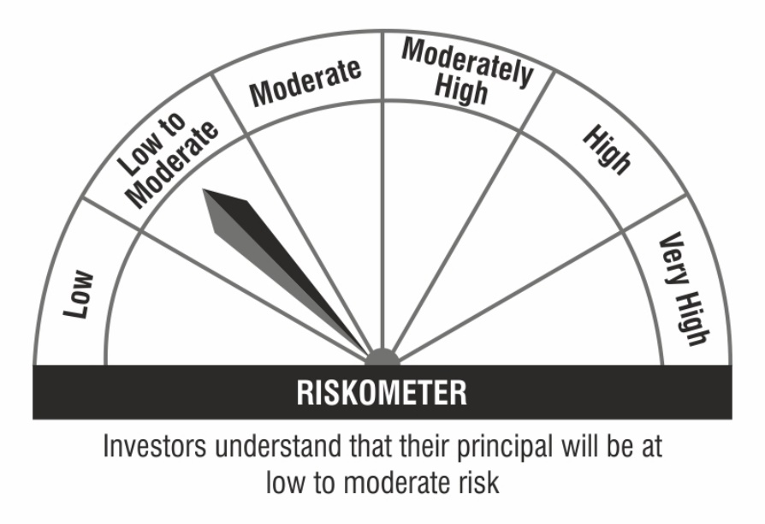

 | Benchmark Riskometer:

